Introduction
 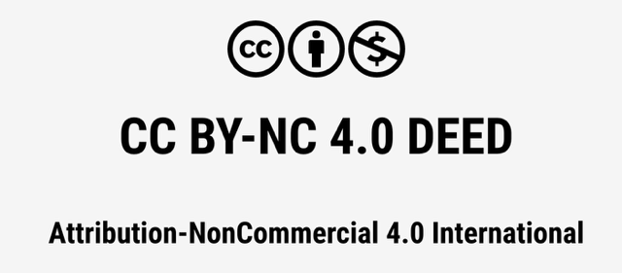
This reporting template was developed at the Center for Long-Term Cybersecurity and EM Strasbourg Business School to supply board of directors, security executives, investors and companies with an instrument for monitoring, disclosing, and evaluating risks and opportunities related to cybersecurity. This template is designed to be applied across industries, internationally following IFRS principles. However, local requirements may apply. Please note: The template is still in a draft status and subject to further validation. As the study is still under investigation, additional positions or alterations may occur as new version will be published. For providing input or feedback on the template please use the following link to our study: cltc.berkeley.edu/publication/quantisec-model/ The spreadsheet includes a set of financial statements each presented in one tab. 3 use cases shall assist companies to use the financial statements according to their needs for reporting cybersecurity incidents, optimise investment, and/or decide on cybersecurity disclosure. A fourth tab ("Definitions") suggests how the positions in the statements can be developed or what they may include. Prompts were chosen through a consensus-building process that used a Delphi technique to guide experts to identify a set of critical disclosures. The template is built to meet the following objectives: For companies: ▪ Report companies’ risks and opportunities related to cybersecurity to investors and other stakeholders. ▪ Optimize and calibrate investments into operations and disclosures in line with concerns about risks concerning financial materiality, or to company equity taking multiple stakeholder perspectives. ▪ Showcase responsible digital technology through disclosure of information in monetary terms using a value-based approach. For investors: ▪ Provide information about security risks and opportunities relevant to financial materiality and credibility. ▪ Boost consistent reporting for compa

INSTRUCTIONS

Filling out the template
Companies should identify positions relevant for them in each of the 3 financial statements. The figures in the template are simply exemplary to explain its use in the under tab 3 described use cases.

Reporting year Companies have discretion to elect dates for the reporting year applicable to the disclosed information.

QuantiSec: Monetary Quantification Instrument for Cybersecurity © 2024 by Laura Georg Schaffner is licensed under Attribution-NonCommercial 4.0 International. To view a copy of this license, visit http://creativecommons.org/licenses/by-nc/4.0/

